Guidelines
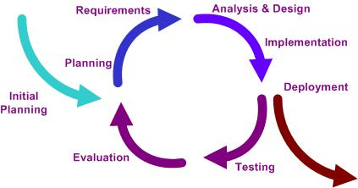
DOCUMENT GUIDELINES

Purpose
 | This document is a tool to plan and monitor the project timing.

Instructions
 | 1. Create a sheet per project timing plan
 | 2. Complete the timing according to project life cycle.
 | 3. Complete team utilization according to timing plan
 | 4. Update cover page for document history tracking.
 | 5. Commit this document to SVN project Documents folder.

Contacts
 | If you need additional help, please contact CompE faculty or email to julius.jai@gmail.com (USC-OSS).

Iterative Life Cycle Model Reference

